Sheet1
Bugs and Issues Tracking Template
Issue Title: [Brief description of the issue] | Issue ID: [Unique identifier for the issue] | Date Reported: | Reported By: | Assigned To: | Priority: [Low/Medium/High/Critical] | Status: [Open/In Progress/Resolved/Closed] | Resolution: [Explanation of how the issue was resolved, including any code changes or fixes applied.] | Attachments: [Links or references to any relevant files, screenshots, or documents related to the issue.] | Comments (if any)
When adding one of my Seven models I had an issue with adding the Poisson Regressor model. When I first tried to import the Poisson Regressor model I was typing "import Poisson Regression" instead of "import Poisson Regressior" I did not realize at the time as I had forgot that the model was a regressior model and not a regression model. This set me back 30 minutes as I could not understand why this model was not working. | IT01 | 2023-09-12 | Harrison Bennett | Harrison Bennett | Medium | Resolved/Closed | To fix this error I had to go into my old code where I had practiced importing different models. From there I was able to remind myself what the import for the model was and correct the error. | 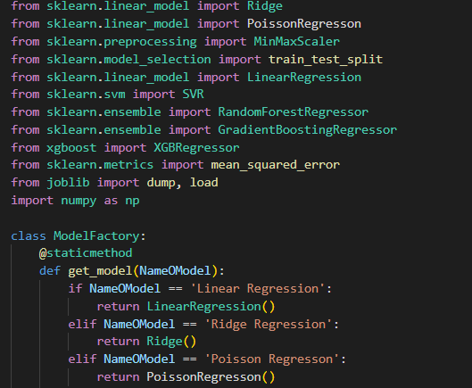 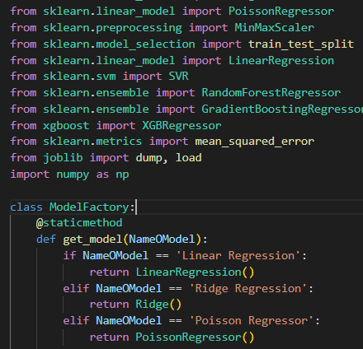 | The first image is the code with the error, the second image is the code fixed
Prediction data had Six features but was expecting Nine features, therfore breaking the code and not allowing the AI to predict the NetWorth. | IT02 | 2023-09-12 | Harrison Bennett | Harrison Bennett | Low | Resolved/Closed | This was a simple error. I thought only only Six features were required for the prediction to be able to run but was quickly proven wrong when the error popped up in the terminal. To fix this I added new data features to the code as the code required Nine data features and not Six. this was a quick and simple error that I encountered while creating the AI. All images in the attachments: |  | The first image is the code before adding the new data features. The second image is the error that was displayed when trying to run the code. The third image is the code after adding the new data features and thr fourth image is the output after the new data features have been added.

